Changes
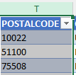
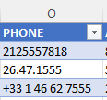
Data Cleaning

 | Created a new sheet (After) and copied the data from (Before) into After

 | Turned data into a table
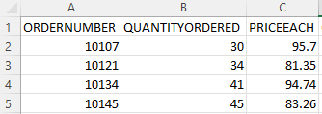

 | Format the date
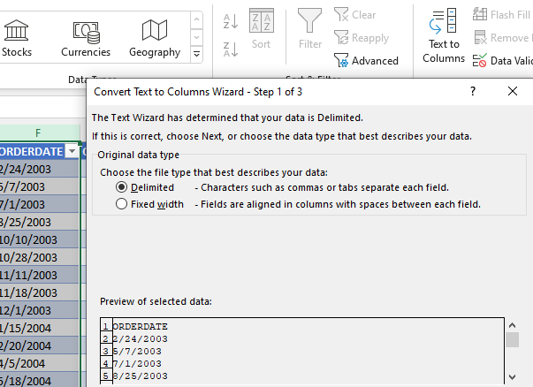
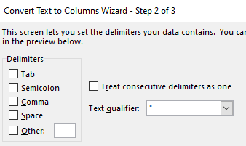
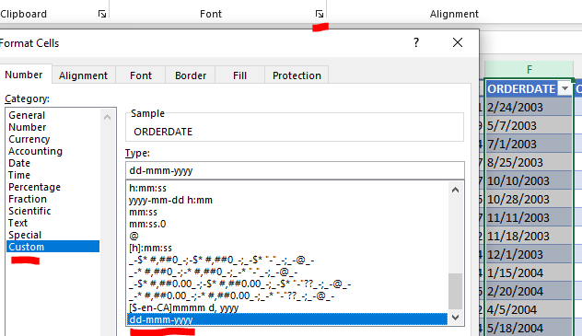
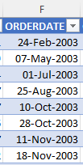

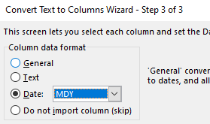

 | Create new column & concatenate 2 columns into 1. Same with Addressline

 | Align some columns and finishing touches

Dashboard
Top Countries
 | Total
USA | $3,627,983
Spain | $1,215,687
France | $1,110,917
Australia | $630,623
UK | $478,880
Italy | $374,674
Finland | $329,582
Norway | $307,464
Singapore | $288,488
Denmark | $245,637
Canada | $224,079
Germany | $220,472
Sweden | $210,014
Austria | $202,063
Japan | $188,168
Switzerland | $117,714
Belgium | $108,413
Philippines | $94,016
Ireland | $57,756
Sales Dashboard
Sales
Quantity
Total Sales by Deal Size
 | Total
Large | $1,302,119
Medium | $6,087,432
Small | $2,643,077
$10,032,629
99,067

Total Sales Over Time
 | Classic Cars | Motorcycles | Planes | Ships | Trains | Trucks and Buses | Vintage Cars
Jan | $41,192 |  |  |  | $4,934 | $36,801 | $46,827
Feb | $20,464 | $25,784 | $39,205 | $27,050 | $4,330 |  | $24,002
Mar | $105,027 | $12,639 |  |  |  | $9,908 | $46,931
Apr | $59,874 | $23,476 | $36,563 | $27,399 | $4,756 | $28,791 | $20,750
May | $98,179 | $22,097 |  |  |  | $25,363 | $47,034
Jun | $50,257 | $2,642 | $32,116 | $29,045 | $10,071 | $17,370 | $26,583
Jul | $94,056 | $37,924 |  |  |  | $26,100 | $29,652
Aug | $48,407 | $44,165 | $33,938 | $25,607 | $7,375 | $15,032 | $23,285
Sep | $137,667 | $3,156 |  | $20,564 | $6,035 | $43,506 | $53,046
Oct | $241,145 | $64,236 | $69,181 | $35,980 | $10,234 | $46,912 | $100,603
Nov | $452,924 | $109,346 | $54,133 | $79,175 | $22,523 | $127,063 | $184,673
Dec | $135,594 | $25,432 | $7,121 |  | $2,545 | $43,584 | $47,601
Jan | $122,792 | $41,201 | $35,454 | $29,480 | $7,583 | $5,152 | $74,917
Feb | $133,035 | $49,067 | $37,660 | $30,612 | $4,968 | $31,037 | $25,042
Mar | $81,144 |  |  | $21,577 | $9,642 | $37,390 | $55,981
Apr | $91,816 | $36,269 | $23,033 |  |  |  | $55,030
May | $83,382 | $46,849 | $40,656 | $29,421 | $10,199 | $36,181 | $26,749
Jun | $87,163 | $47,237 | $36,650 | $24,230 |  | $43,408 | $47,986
Jul | $151,237 | $22,774 | $40,915 | $22,533 | $10,802 | $38,170 | $40,712
Aug | $216,896 | $62,705 | $33,414 | $26,643 | $8,793 | $34,911 | $78,139
Sep | $97,006 | $42,471 | $34,786 | $25,151 | $6,445 | $41,791 | $73,100
Oct | $223,857 | $39,414 | $37,597 | $43,811 | $15,183 | $76,902 | $116,160
Nov | $372,232 | $151,712 | $121,131 | $63,901 | $22,271 | $123,811 | $233,990
Dec | $101,697 | $20,847 | $61,377 | $24,080 | $20,636 | $60,550 | $83,615
Jan | $139,087 | $39,913 | $11,262 | $31,808 | $6,510 | $36,577 | $74,385
Feb | $146,149 | $47,951 | $31,040 | $10,586 | $7,210 | $37,174 | $78,076
Mar | $91,390 | $47,831 | $79,735 | $52,765 | $12,939 | $14,579 | $75,023
Apr | $111,563 | $59,862 | $43,764 | $6,284 |  |  | $40,161
May | $184,385 | $39,390 | $34,273 | $26,735 | $10,258 | $89,726 | $73,094

Top Customers
 | Total
Euro Shopping Channel | $912,294
Mini Gifts Distributors Ltd. | $654,858
Australian Collectors, Co. | $200,995
Muscle Machine Inc | $197,737
La Rochelle Gifts | $180,125
Dragon Souveniers, Ltd. | $172,990
Land of Toys Inc. | $164,069
The Sharp Gifts Warehouse | $160,010
AV Stores, Co. | $157,808
Anna's Decorations, Ltd | $153,996
Souveniers And Things Co. | $151,571
Corporate Gift Ideas Co. | $149,882
Salzburg Collectables | $149,799
Danish Wholesale Imports | $145,042
Saveley & Henriot, Co. | $142,874
L'ordine Souveniers | $142,601
Rovelli Gifts | $137,956
Reims Collectables | $135,043
Scandinavian Gift Ideas | $134,259
Online Diecast Creations Co. | $131,685
Diecast Classics Inc. | $122,138
Technics Stores Inc. | $120,783
Corrida Auto Replicas, Ltd | $120,615
Tokyo Collectables, Ltd | $120,563
UK Collectables, Ltd. | $118,008
Vida Sport, Ltd | $117,714
Baane Mini Imports | $116,599
Handji Gifts& Co | $115,499
Suominen Souveniers | $113,961
Herkku Gifts | $111,640
Toys of Finland, Co. | $111,250
Mini Creations Ltd. | $108,951
Toys4GrownUps.com | $104,562
Oulu Toy Supplies, Inc. | $104,370
Marta's Replicas Co. | $103,080
Gift Depot Inc. | $101,895
Heintze Collectables | $100,596
Toms Spezialitten, Ltd | $100,307
FunGiftIdeas.com | $98,924
La Corne D'abondance, Co. | $97,204
Amica Models & Co. | $94,117
Cruz & Sons Co. | $94,016
Auto Canal Petit | $93,171
Stylish Desk Decors, Co. | $88,805
Vitachrome Inc. | $88,041
Collectable Mini Designs Co. | $87,489
Mini Classics | $85,556
Blauer See Auto, Co. | $85,172
Motor Mint Distributors Inc. | $83,682
Tekni Collectables Inc. | $83,228
...
Total Quantity by Year
 | Total
2003 | 34612
2004 | 46824
2005 | 17631

